1 - quantity_age
First Registrations of used Passenger Cars in Poland, 2024 - 2025 PZPM based on data from Centralna Ewidencja Pojazdow

 | Jan | Feb | Mar | Apr | May | Jun | Jul | Aug | Sep | Oct | Nov | Dec | Total
2024 | 66,186 | 72,408 | 77,918 | 79,087 | 72,082 | 71,814 | 79,987 | 72,310 | 74,241 | 84,992 | 66,966 | 64,519 | 882,510
2025 | 69,287 | 69,649 | 77,652 | 79,122 | 72,653 |  |  |  |  |  |  |  | 368,363
%change y/y | 4.7% | -3.8% | -0.3% | 0.0% | 0.8% |  |  |  |  |  |  |  | 0.2%
First Registrations of Used PC in Poland 2024 - 2025
 | 2024 | 2025
Jan | 66186 | 69287
Feb | 72408 | 69649
Mar | 77918 | 77652
Apr | 79087 | 79122
May | 72082 | 72653
Jun | 71814
Jul | 79987
Aug | 72310
Sep | 74241
Oct | 84992
Nov | 66966
Dec | 64519
 |  |  |  |  |  |  |  |  | Age Structure Jan-May 2025
 |  |  |  |  |  |  |  |  | Age | Number of vehicles | Share %
 |  |  |  |  |  |  |  |  | <=4 years | 35,672 | 9.7%
 |  |  |  |  |  |  |  |  | >4 years & <=10 years | 128,601 | 34.9%
 |  |  |  |  |  |  |  |  | >10 years | 204,090 | 55.4%
 |  |  |  |  |  |  |  |  | Total | 368,363 | 100.0%
First Registrations of Used Vehicles in year 2025 - age structure

source: PZPM based on CEP

2 - EURO_fuel
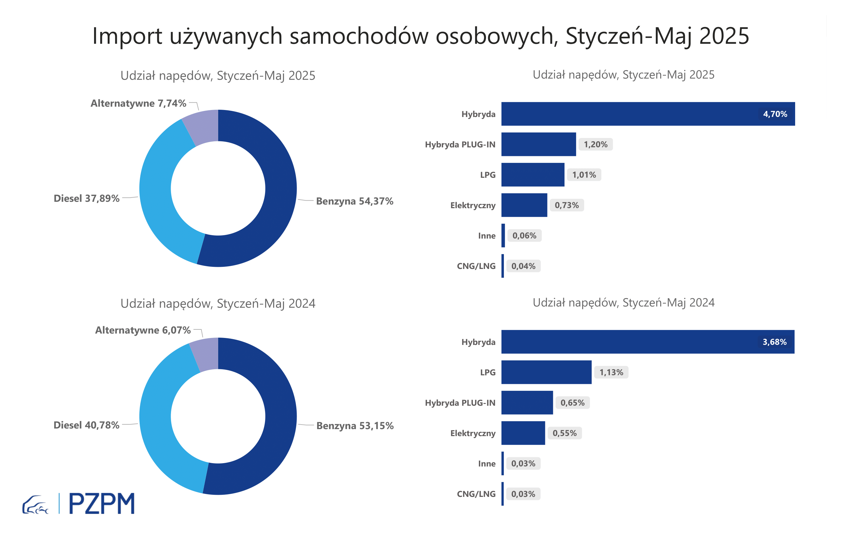

First Registrations of Used Passenger Cars by Fuel Type
Fuel Type | January-May 2024 |  | January-May 2025 |  | Volume Change y/y | Market Share Change y/y
 | thousand units | share % | thousand units | share %
Petrol | 195,4 | 53.2% | 200,3 | 54.4% | 2.5% | +1,2 pp
Diesel | 149,9 | 40.8% | 139,6 | 37.9% | -6.9% | -2,9 pp
AFV / Others | 22,3 | 6.1% | 28,5 | 7.7% | 27.7% | +1,7 pp
including:
Electric | 2.018 | 0.5% | 2.704 | 0.7% | 34.0% | +0,2 pp
Hybrid | 13.541 | 3.7% | 17.325 | 4.7% | 27.9% | +1,0 pp
Hybrid Plug-In | 2.384 | 0.6% | 4.403 | 1.2% | 84.7% | +0,5 pp
LPG | 4.168 | 1.1% | 3.719 | 1.0% | -10.8% | -0,1 pp
CNG/LNG | 0.103 | 0.0% | 0.143 | 0.0% | 38.8% | +0,0 pp
Others / N.A. | 0.108 | 0.0% | 0.204 | 0.1% | 88.9% | +0,0 pp

3 - TOP_brands
First registrations - used passenger cars imported to Poland - TOP 10 in 2025
First registrations of used passenger cars in Poland*
No.** | Make | January-May 2024 | January-May 2025 | Change % r/r
1 | VOLKSWAGEN | 36251 | 35127 | -3.1%
2 | FORD | 35073 | 34447 | -1.8%
3 | OPEL | 33604 | 32362 | -3.7%
4 | AUDI | 30501 | 27506 | -9.8%
5 | BMW | 23561 | 23033 | -2.2%
6 | MERCEDES-BENZ | 17209 | 18642 | 8.3%
7 | PEUGEOT | 17059 | 18030 | 5.7%
8 | HYUNDAI | 15533 | 17230 | 10.9%
9 | RENAULT | 17533 | 16092 | -8.2%
10 | TOYOTA | 14175 | 14137 | -0.3%
* source: PZPM based on CEP
** based on registrations in 2025

